Sheet1
Pick By Container Deployment Plan

Release Date : 22/Feb/2019 TIME 22:30 PM
RLS-414717

Activities |  | Assignee | Time | Note | Time
Prepare Rollback artifacts
1 | Take Backup of WMS Application | Andy | 20 min | Tecsys.ear | 16:00:00
2 | Take Backup of meta-data prod_94x_m database | DBA | 10 min | prod_94x_m | 16:00:00

Solution deployment steps

3 | retire below SOA component. | SOA DBA | 5min |  | 22:30:00

 | log onto:
 | http://soaadm.bcldb.com:25001/em
 | - EBS partition/ EbsPickOrderPublisher [2.1] - (WOM16 | Pick Order)

4 | Stop $U jobs | Andy | 5 min |  | 22:30:00

5 | Configuration deployment (md-tool) | DBA | 30 min | http://subversion.bcliquor.com/svn/WMS/Reports/release/RLS-414717 | 16:00:00
 | Pick By Container Workflow
 | Pick By Order View
 | Permissions

6 | The java bundle to install will be | Andy | 45 min |  | 22:35:00

 | [RFI-20187] QT-001189-001-08-09_BCLDB_20190209203946.zip
 | [RFI-20188] QT-001189-001-08-09_BCLDB_20190212161442.zip
 | [RFI-20254] QT-001189-001-08-09_BCLDB_20190214105913.zip
 | [RFI-20336]QT-001189-001-08-09_BCLDB_20190220081048.zip
 |  |  |  |  | 23:20:00
7 | Modify web.xml | Andy | 5 min | <login-config id="LoginConfig_1">
 |  |  |  | <auth-method>BASIC</auth-method>
 |  |  |  | <realm-name>EliteSeries - TECSYS INC.</realm-name>
 |  |  |  | </login-config>

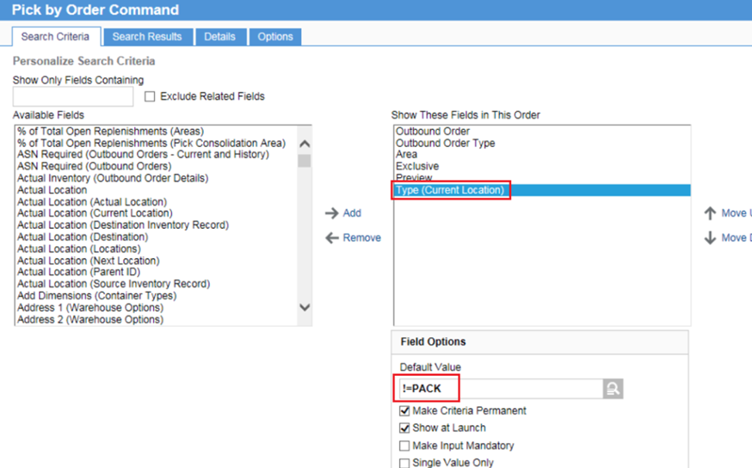
8 | Start Tecsys Server | Andy | 5 min
9 | Change Area setting from Pick by Cluster to Pick By Container | Bikram | 10 min | Area --Equipment Used for Picks = RF; --Automatically Assign To Container = NO sa_confirm (Area Confirmation) Only for Task = PICK --Require To-Container Confirmation = NO Personalize view wms_cm_f.pick_by_order.wf Tab - Search Criteria > set Default Value for Type(Current Location) to !=PACK Also Make Creteria and Show at Launch SELECTED | 23:30:00

10 | Quick Deployment Validation | Bikram | 10 min

11 | Activated the SOA Composite. | SOA DBA | 5 min

 |  |  |  |  | 23:30:00
12 | Start $U jobs | Andy | 5 min

Post Go-Live
13 | Run full cycle test – from wave planning to ship completion | Business | 30 min |  | 23:30:00

